Sheet1
BLANCE SHEET & INCOME STATEMENT
HORIZONTAL & VERTICAL ANALYSIS

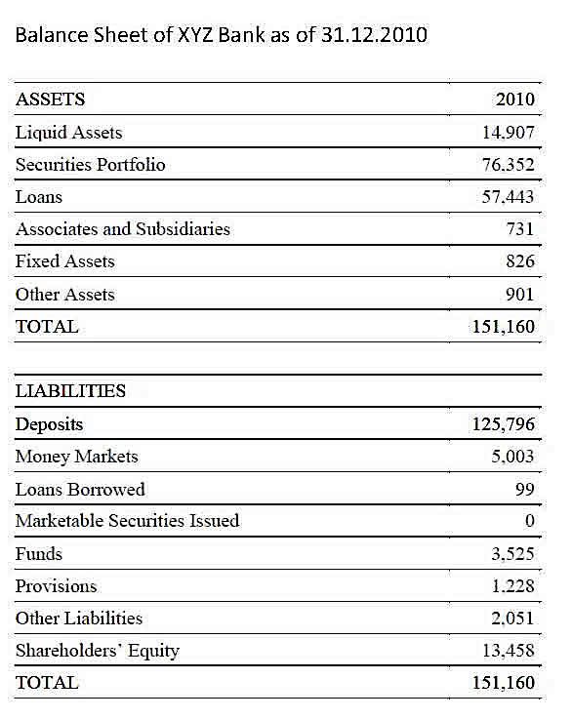
 |  |  |  | Vertical | Vertical
 |  |  |  | Analysis | Analysis
 | Year 1 | Year 2 | Horizontal
ASSETS |  |  | Analysis | Year 1 | Year 2
Liquid Assets | 14907 | 16000 | 7.3% | 9.73% | 8.25%
Securities Portfolio | 76352 | 80000 | 4.8% | 49.85% | 41.24%
Loans | 57443 | 95000 | 65.4% | 37.50% | 48.97%
Associates & Subsidiaries | 731 | 800 | 9.4% | 0.48% | 0.41%
Fixed Assets | 826 | 1000 | 21.1% | 0.54% | 0.52%
Other Assets | 2911 | 1200 | -58.8% | 1.90% | 0.62%
TOTAL ASSETS | 153170 | 194000 | 26.7% | 100.00% | 100.00%

 |  |  |  |  | 100.00%

 |  |  |  | Vertical | Vertical
 |  |  |  | Analysis | Analysis
 | Year 1 | Year 2 | Horizontal | Year 1 | Year 2
LIABILITIES + SHEQ |  |  | Analysis
Deposits | 125796 | 150000 | 19.2% | 82.13% | 77.32% | 0
Money Markets | 5003 | 10000 | 99.9% | 3.27% | 5.15%
Loans Borrowed | 99 | 200 | 102.0% | 0.06% | 0.10%
Marketable Securities Issued | 2000 | 6800 | 240.0% | 1.31% | 3.51%
Other Funds | 3525 | 4000 | 13.5% | 2.30% | 2.06%
Reserves Provisions | 1228 | 2000 | 62.9% | 0.80% | 1.03%
Other Liabilities | 2061 | 3000 | 45.6% | 1.35% | 1.55%
SHARE HOLDERS EQUITY | 13458 | 18000 | 33.7% | 8.79% | 9.28%
TOTAL Labilities & SHEQ | 153170 | 194000 | 26.7% | 100.00% | 100.00%

 |  |  |  |  | 100.00%

 |  |  |  | Vertical | Vertical
 |  |  | Horizontal | Analysis | Analysis
 | Year 1 | Year 2 | Analysis | Year 1 | Year 2

Interest Income | 100000 | 150000 | 50% | 100.0% | 100.0%
Interest Expense | 60000 | 95000 | 58% | 60.0% | 63.3%
Net Interest Income | 40000 | 55000 | 38% | 40.0% | 36.7%

Non Interest Income | 50000 | 60000 | 20% | 50.0% | 40.0%
Non Interest Expense | 40000 | 55000 | 38% | 40.0% | 36.7%
Net Non Interest Incme | 10000 | 5000 | -50% | 10.0% | 3.3%

Income Before Tax | 50000 | 60000 | 20% | 50.0% | 40.0%
Taxation provision | 9000 | 10800 | 20% | 9.0% | 7.2%
Net Income | 41000 | 49200 | 20% | 41.0% | 32.8%

